Datailed Inquiry Information
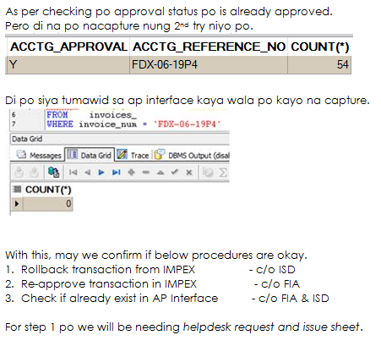
Detailed Inquiry Information

 | PLEASE PROVIDE EVIDENCE OF REQUEST / DETAILS OF REQUEST HERE (IN DETAIL).

Actual Operation Evidence
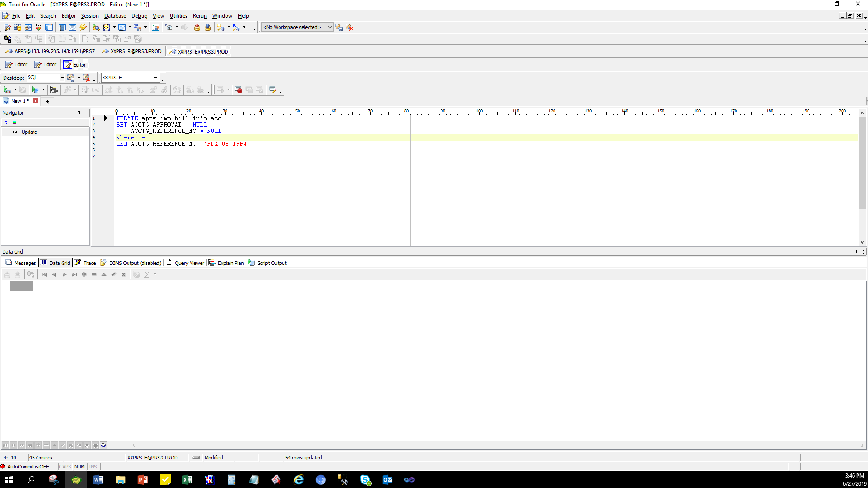
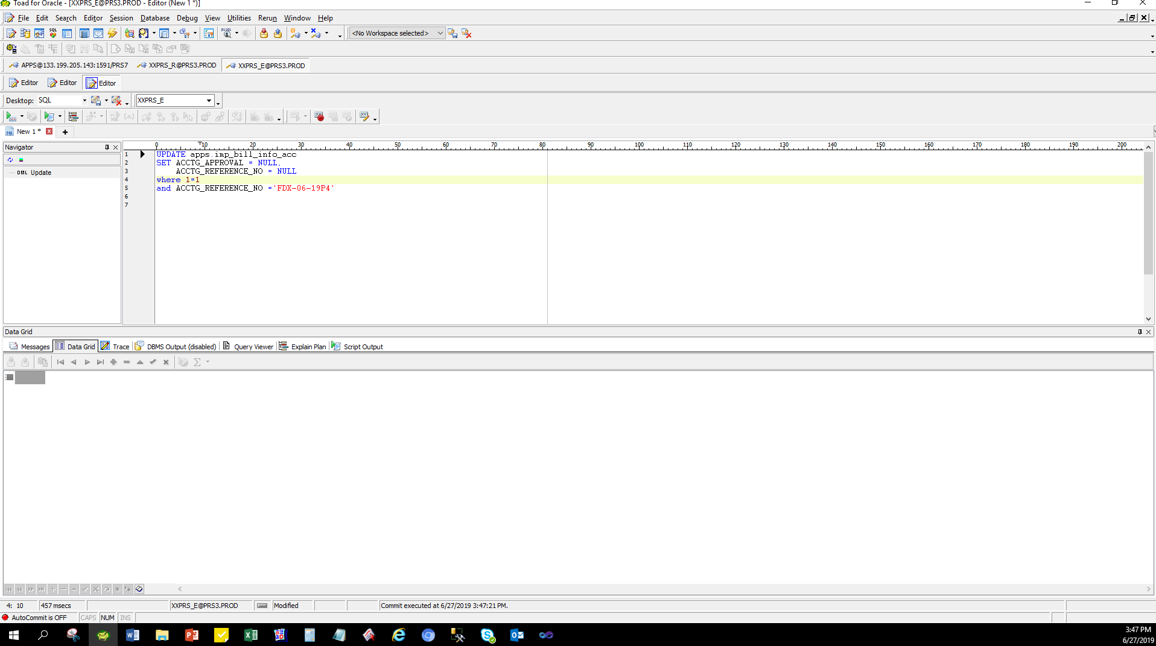
Actual Operation Evidence

 | select *
 | from imp_bill_info_acc
 | where 1=1
 | and ACCTG_REFERENCE_NO ='FDX-06-19P4'

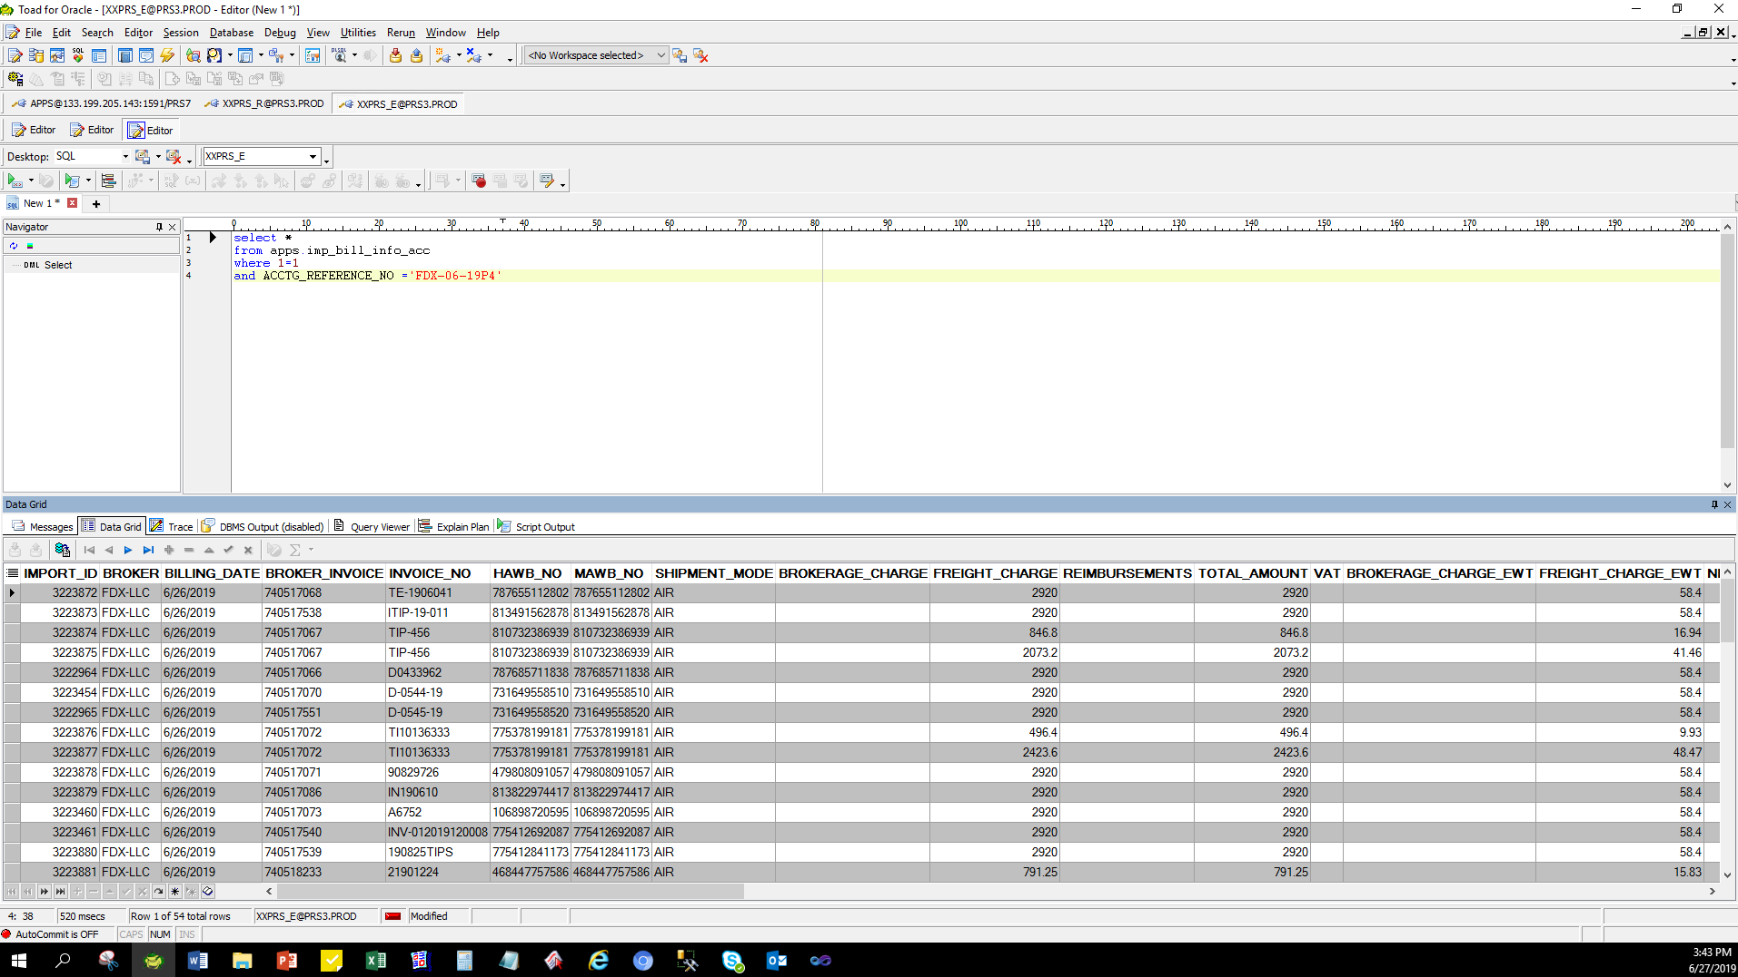

UPDATE apps.imp_bill_info_acc
SET ACCTG_APPROVAL = NULL,
ACCTG_REFERENCE_NO = NULL
where 1=1
and ACCTG_REFERENCE_NO ='FDX-06-19P4'

Helpdesk Request
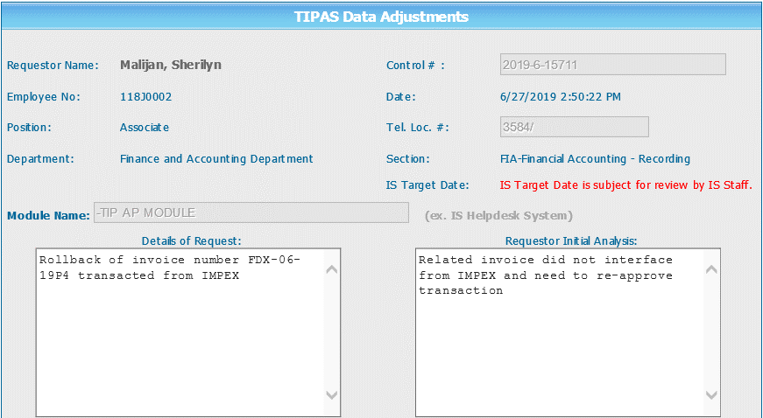
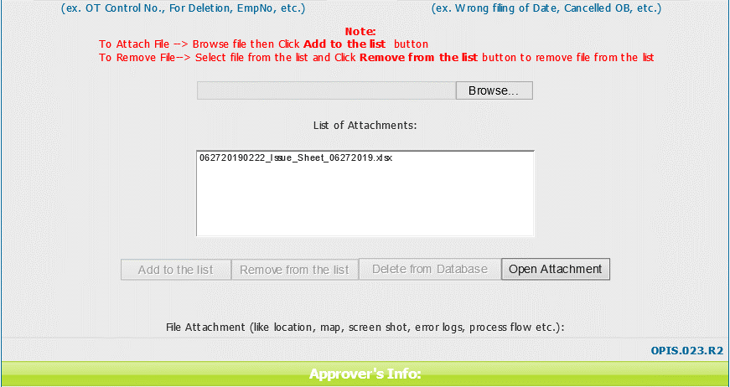
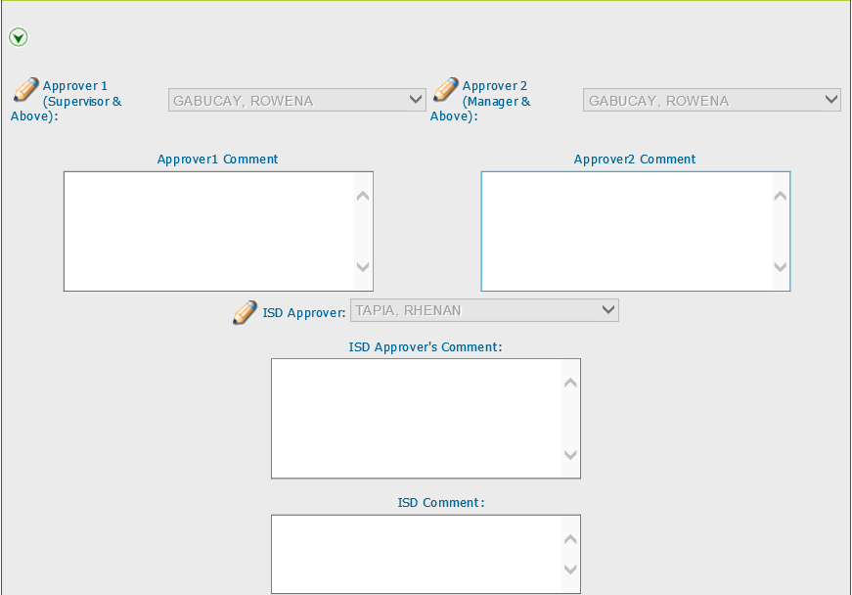
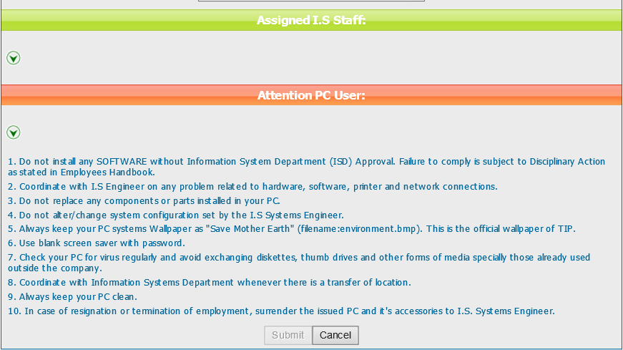
Helpdesk Request

 | ATTACH SCREENSHOT OF HELPDESK REQUEST.

